Mini EM Robot
PROJECT |  | MEMBERS |  |  |  | ADDITIONAL RESOURCES
Mini Electromagnetic Robot |  | Andy Le | Andrew Tran | Christina Ru |  | http://education.jlab.org/qa/electromagnet_02.html
 |  | To Do List | Materials List | Design layout |  | http://hyperphysics.phy-astr.gsu.edu/hbase/magnetic/solenoid.html#c1
DESCRIPTION |  | Arduino | Raspberry Pi | Android |  | https://en.wikipedia.org/wiki/Tesla_(unit)
A robot with a purpose to pick up scrap metal in a work shop. |  |  |  |  |  | http://electronics.stackexchange.com/questions/145798/current-capacity-of-very-thin-0-1mm-0-5mm-copper-wires
Made up of two electromagnets and a plexi glass base. |  |  |  |  |  | DC Electromagnet - how it works
The two back wheels will be controlled and the two front wheels will move freely. |  |  |  |  |  | http://www.eatwisconsincheese.com/cheeses/travelers-guide-to-americas-dairyland-map
Raspberry Pi and Arduino microcontroller will control the robot. |  |  |  |  |  | https://www.codecademy.com/
User controlled via bluetooth with programmed Android app
 |  |  |  |  |  | Arduino: | http://www.learn-c.org/
TO DO LIST |  | COMPLETED | PYGAME KEYSTROKE COMMAND LIST |  |  | Raspberry Pi: | https://www.learnpython.org/
- Pick an idea for culminating |  | Y | Command | Key |  |  | https://cscircles.cemc.uwaterloo.ca/
- Determine required materials |  | Y | Forward | Up Arrow |  | Android: | http://www.learnjavaonline.org/
- Assign roles |  | Y | Backward | Down Arrow
- Complete Tome of Robotics |  | Y | RIght | Right Arrow
- Plan out steps to make robot |  | Y | Left | Left Arrow
- Create mini electromagnet similation |  | Y | Magnetize/Demagnetize Magnets | X key
- Determine what we need to print and buy |  | Y | Arms Up/Down | Z key
- Print and buy materials |  | Y | Add to PWN | A key
- Start cutting out plexi glass and drilling holes and cutout for bucket |  | Y | Subtract from PWN | B key
- Cut out metal rods used for electromagnets |  | Y
- Wrap coil around and test if the electromagnet works |  | Y
- Design wheel motors and controllable wheels (basic cart movements) |  | Y | 3D PRINTS
- Design steel rod motor for electromagnet arm (basic arm movements) |  | Y | Rod brackets: | https://www.tinkercad.com/things/afETs0fCyJZ
- Set up arduino with rasberry pi for movement and arm movement |  | Y | Gears: | https://tinkercad.com/things/2SQs1dioaVU
- Create app for robot cart and arm movement |  | Y | Servo motor cage: | https://www.tinkercad.com/things/cDkTXkYl2qx-servo-mount-horizontal/editv2?sharecode=AIxCpA35kznODsUv_HgCXgOoSZA2rtM41_O_kFwr2LA=
- Test robot cart movement |  | Y | Switch bracket: | https://tinkercad.com/things/fhZDJwG0ldP
- Test electromagnet arm movement |  | Y | Bucket Arms: | https://www.tinkercad.com/things/ggr0ynnhq7A-smashing-esboo/editv2?sharecode=0RgjtTSVwSa5ryUz6aZeuK4TcSYz_03Y0mmQ7GyRsO4=
- Set up relay to magnetize and demagnetize the rods to pick up and drop metal bits |  | Y | Sensor mount: | https://tinkercad.com/things/d6bu9h7vVUn
- Attach bin to cart for the metal bits |  | Y
- Troubleshoot robot |  | Y
- Fix any issues |  | Y | CODE
- Make it neat and tidy |  | Y | Submitted to TEJ4M and ICS4U dropbox
- Present to teacher |  | Y
- Robot works with Pygame |  | Y
- Robot works with Andrid App |  | Y
- Robot is able to stop if it sense that something is too close |  | Y

PARTS
Name | Description | Source | Quantity | Cost (after tax) | To Purchase
Steel rod (8inches) | Core of electromagnets | Machineshop | 2 | 0
Magnet wire | Wrapped around the core to create electromagnet | Workshop | Wrapped until covers the magnet | 0
Raspberry Pi | Will connect to online server for app | Workshop | 1 | 0
Arduino | User in conjunction with Raspberry Pi for movement | Workshop | 1 | 0
12V battery | Power the robot | Workshop | 1 | 0
Plexi glass | Will be used as the base of the robot | Workshop | 1 | 0
Controllable wheels | Used for steering robot. | Workshop | 2 | 0
Free moving wheels | Used for robot to move on 4 wheels | Workshop | 2 | 0
Sevro Motor | Allows the electromagnet to move up and down | Workshop | 2 | 0
Relay | Magnetizes 1 rod and demagnetizes the other | Workshop | 1 | 0
M6 Nuts and bolts | Used to attach the motors | Home Depot | 4 | 5.89 | Yes
Smaller nuts and bolts | Used to attach parts to the plexiglass | Workshop | 61 | 0
Thinner plexiglass | Used to mount the Raspberry Pi and Arduino | Workshop | 1 | 0
Resistor 150R 5W 10% | Reduce current flow | Sayal Electronics | 5 packs of 2 | 8.48 | Yes
Terminals | Connection tunnels | Workshop | 18 | 0
3D Printed Bucket Arms | Hold up bucket | Workshop | 2 | 0
Screws | Attach servo motor to brackets | Workshop | 4 | 0
Voltage Regulator 5V 7805 | Keep voltages within the prescribed range | Workshop | 2 | 0
3904 NPN Transistor | Used as a switch | Workshop | 1 | 0
330 Resistor | Reduce current flow | Workshop | 1 | 0
3D printed spacer | Elevate servo motor | Workshop | 18 | 0
Jumper Wire | Connections | Workshop |  | 0
Resistor 120 5W 10% | Reduce current flow | Workshop | 4 | 0
Female/Male jumpers | Connection | Workshop | 20 | 0
Gears | Used to turn magnetic arms | Workshop | 2 large, 2 small | 0
Servo brackets | Hold servo | Workshop | 2 | 0
Rod brackets | Hold rod | Workshop | 3 | 0
Switch brackets | Hold Switch | Workshop | 1 | 0
Mini breadboard | Used for electromagnetism | Workshop | 1 | 0
Cardboard | Used to create bucket | Home | 20 x 10.5 cm piece | 0
Motor control board | Control the wheel motors through arduino | Workshop | 2 | 0
Velcro | Hold down battery | Workshop | 2 | 0
Wood block | Mount sensor | Workshop | 1 | 0
Switch | Turn on and off | Workshop | 1 | 0
Masking Tape | Hold down the coils | Workshop | 40 cm | 0
Gorilla Glue | Glue things | Workshop | A fair amount | 0

FIRST DRAFT
https://www.tinkercad.com/things/jXOmtmrPkOy-neat-vihelmo-lappi/editv2
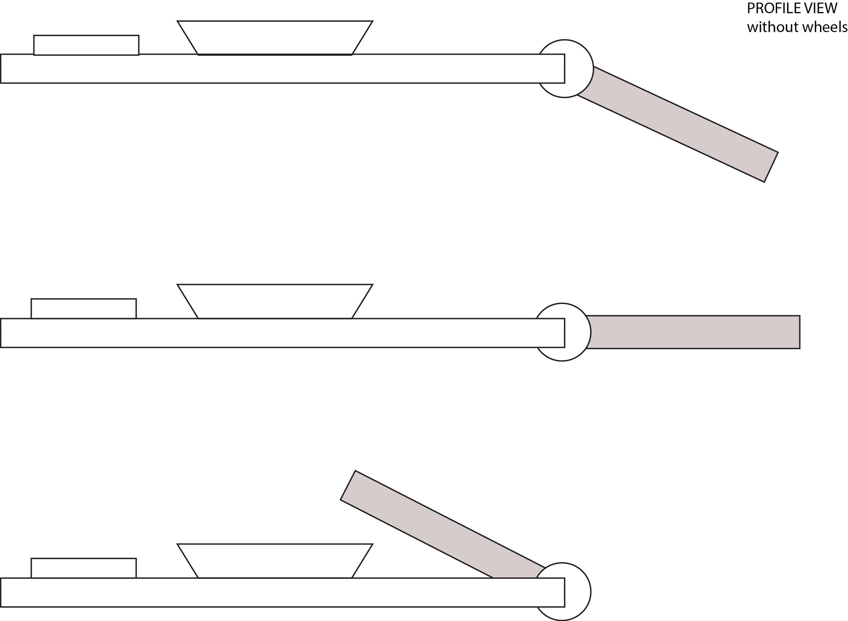
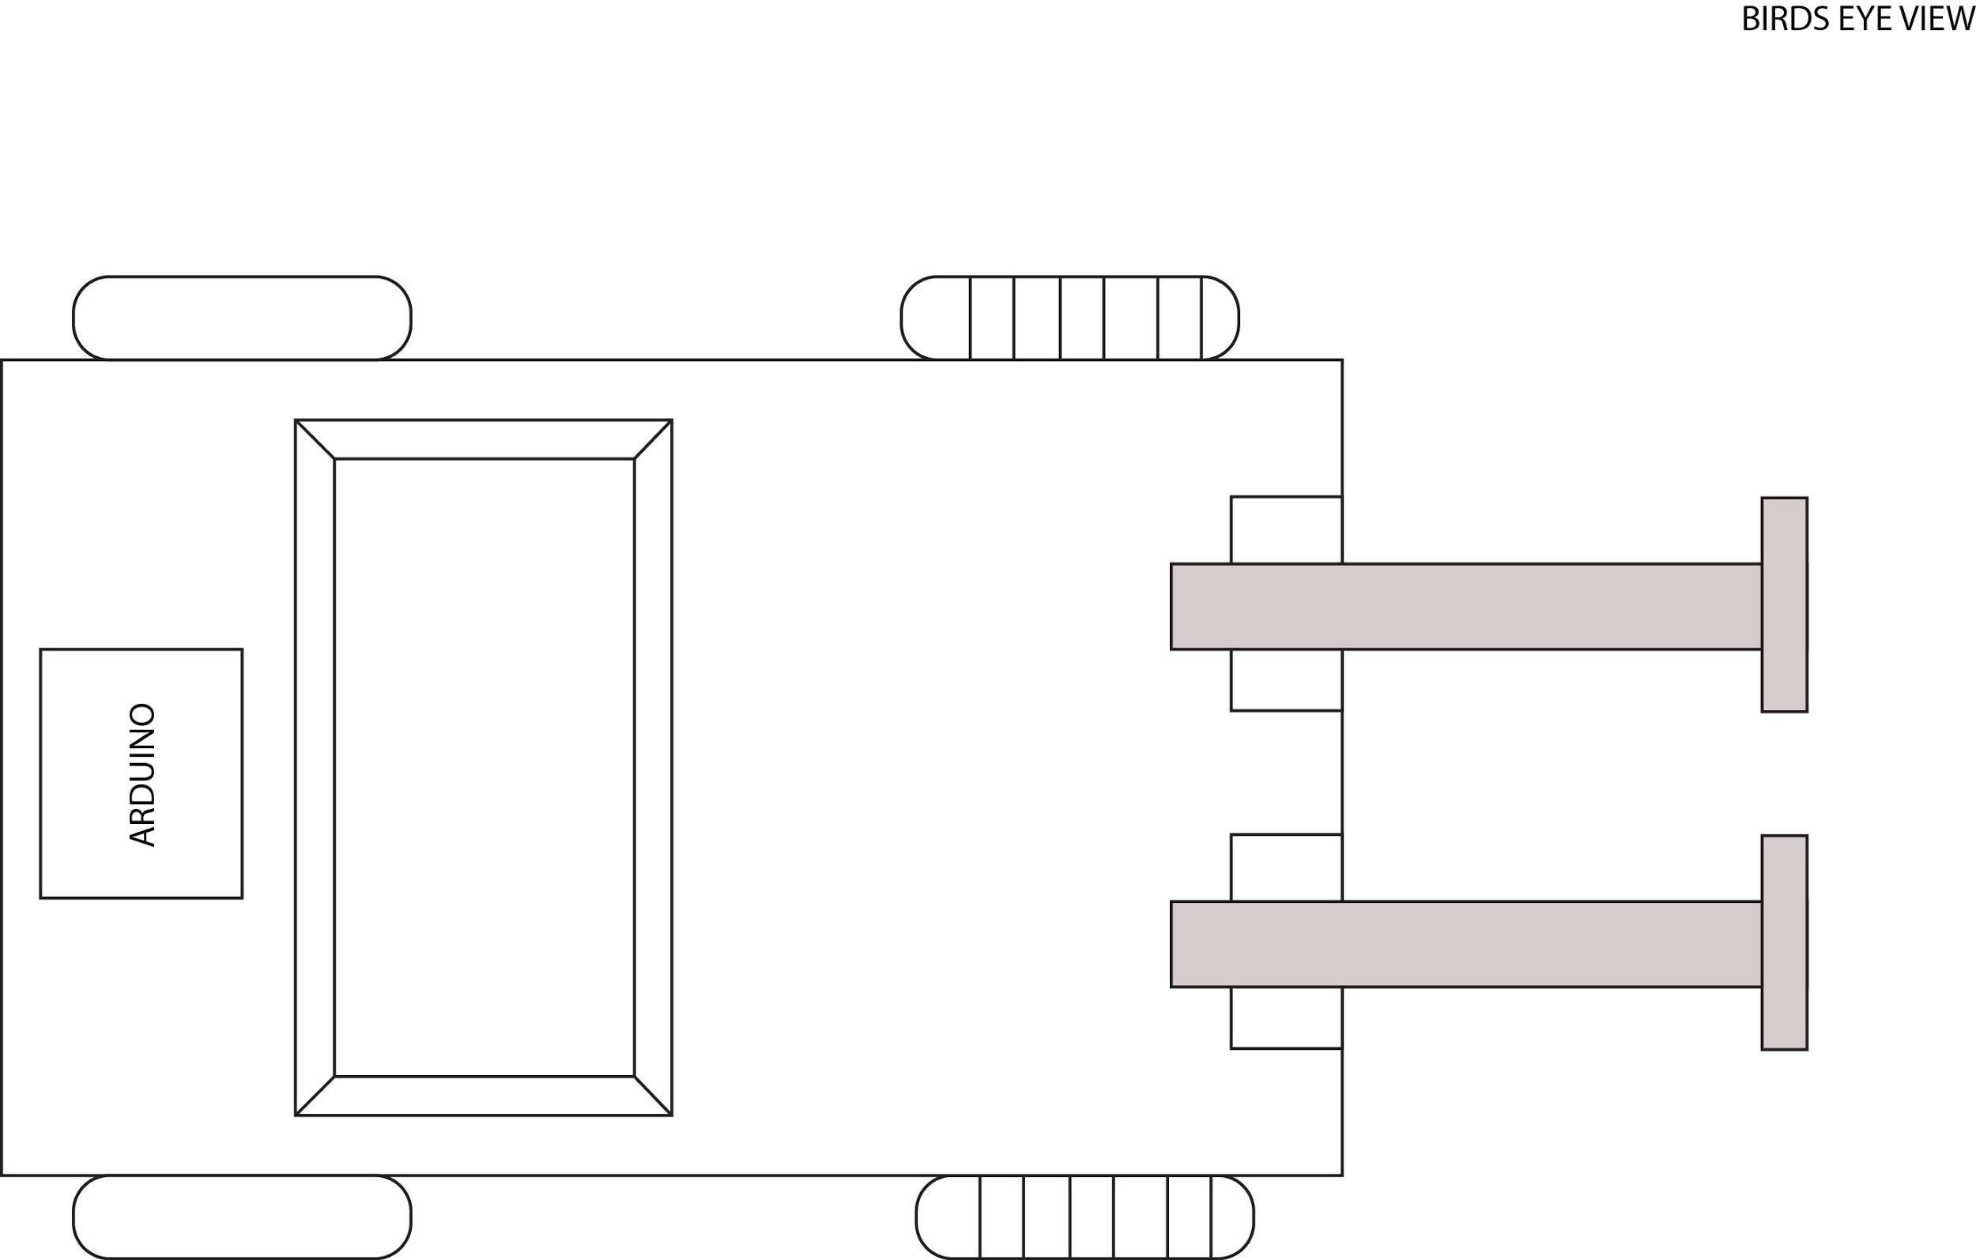

FINAL DRAFT
https://tinkercad.com/things/2T3RczsaOHL |  |  |  |  |  | ANDROID APP
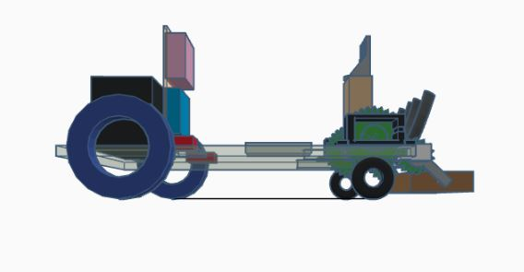
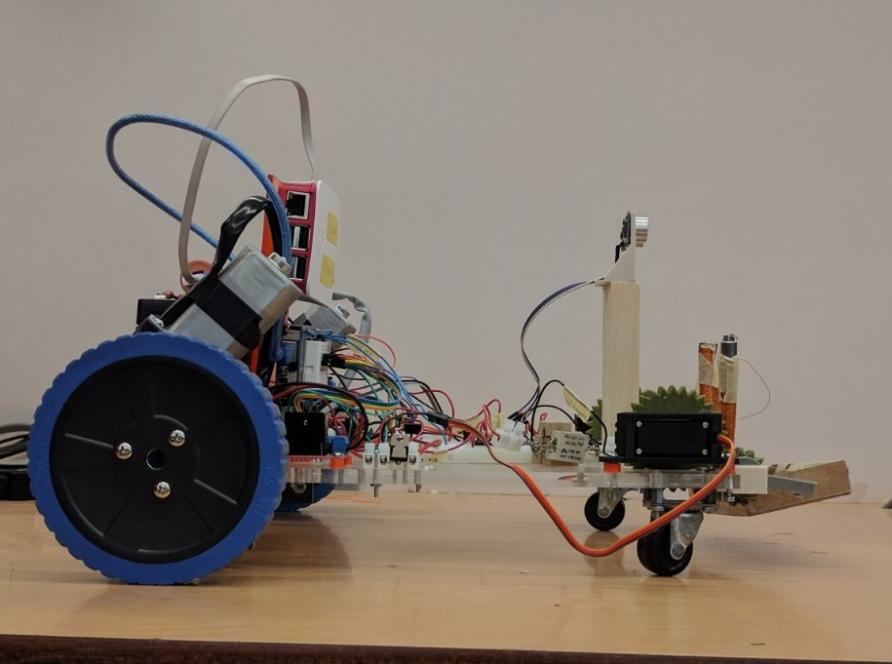
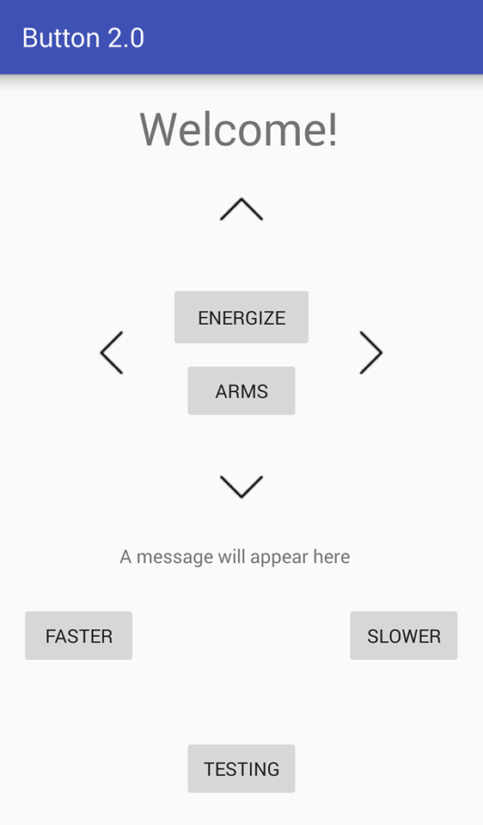
 |  |  |  |  |  |  |  | Attribute | Function
 |  |  |  |  |  |  |  | Up arrow | Robot will move forwards
 |  |  |  |  |  |  |  | Down arrow | Robot will move backwards
 |  |  |  |  |  |  |  | Left arrow | Robot will move to the left
 |  |  |  |  |  |  |  | Right arrow | Robot will move to the right
 |  |  |  |  |  |  |  | Energize button | Pressing the button will energize and deenergize
 |  |  |  |  |  |  |  | Arms button | Pressing the button will lower and raise the arms
 |  |  |  |  |  |  |  | Faster button | Increases the speed of the back wheels
 |  |  |  |  |  |  |  | Slower button | Decreases the speed of the back wheels
 |  |  |  |  |  |  |  | Testing | Turns the Arduino LED on and off

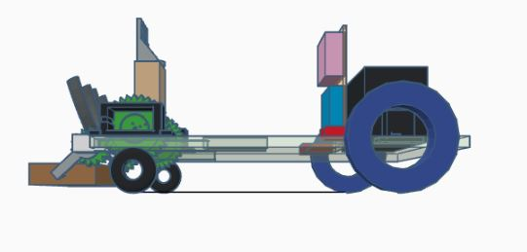
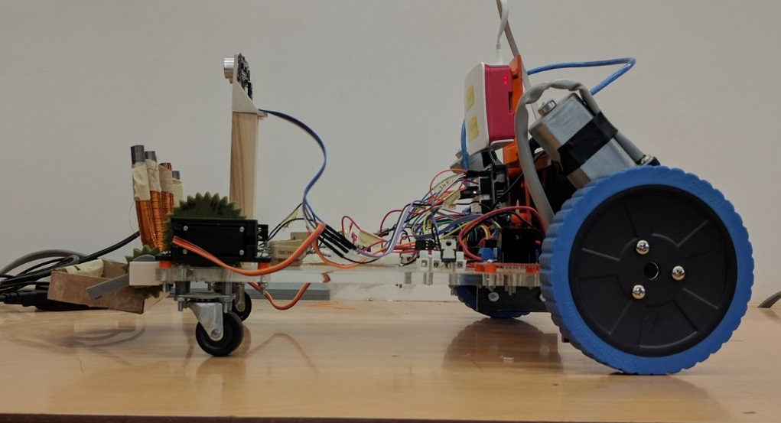
 |  |  |  |  |  |  |  | Additional Notes
 |  |  |  |  |  |  |  | In order to move the robot, press the respective direction button and then continue to press the "FASTER" button until the robot is moving at the desired speed. To stop the robot, press the same direction arrow button. To slow the robot, continue to press the "SLOWER" button until the robot is moving at the desired speed.
 |  |  |  |  |  |  |  | Make sure to raise the metals arms when driving the robot to avoid damage to the gears.

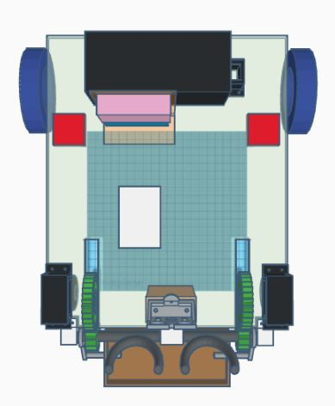
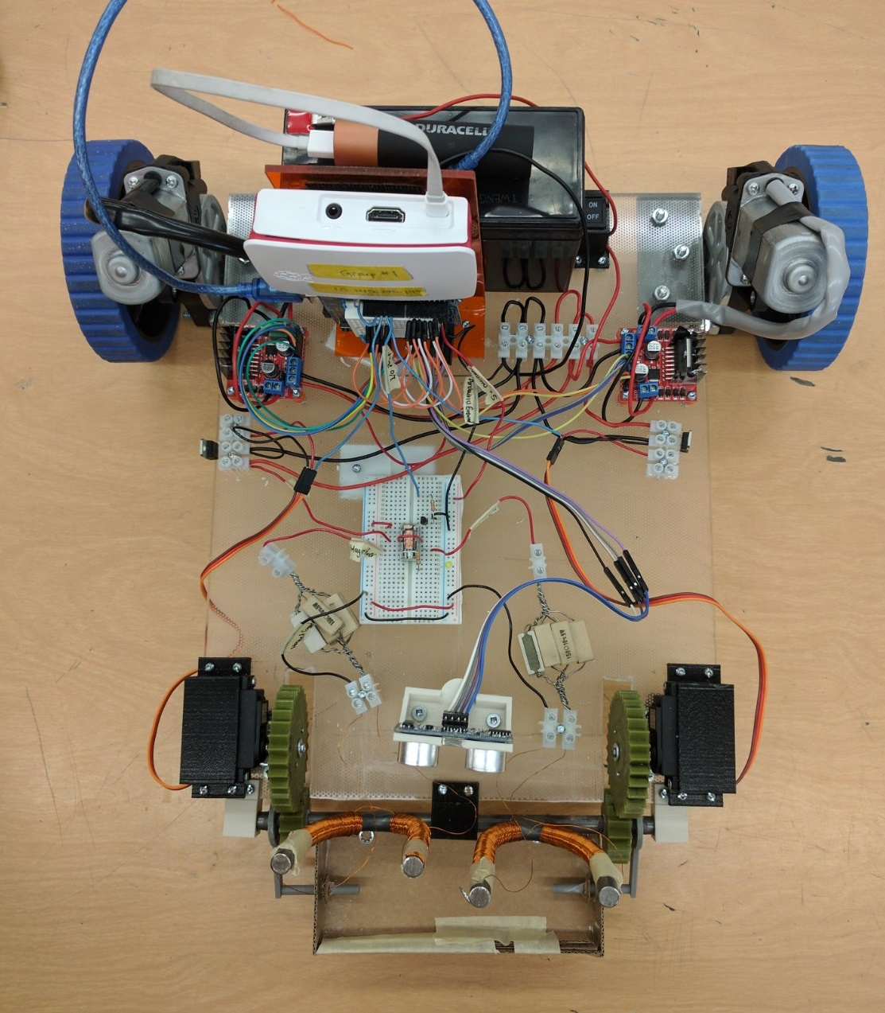

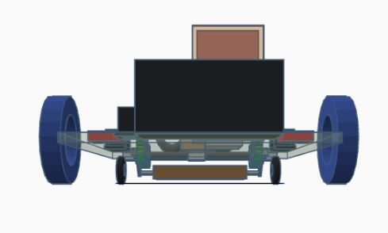
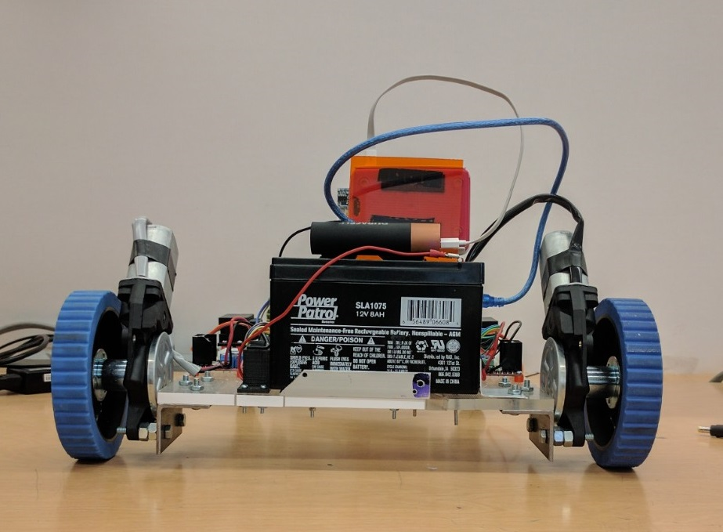

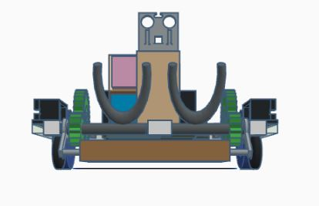
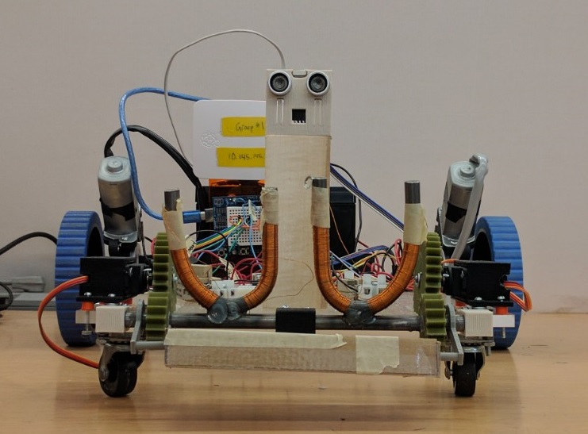

IMPROVEMENTS
Cleaning up the wires and terminals to give a neater appearance
Programming the wheels to accomodate for the difference in power so that the robot drives in a straight line
Allow the bucket to hold heavier pieces of metal without flipping over
Programming the robot to receive signals faster
Create a more understandable user interface for the app
Adding feedback from the sensor to the app

REFLECTION
Problem | Solution
Wheels did not move in sync | The set of wheels that we decieded to use
 | did not move in sync in the beginning.
 | We had to adjust the PWN values specifcally
 | for each wheel since each wheel required a
 | slightly different PWN value.

Crack in Plexi-glass base | The base cracked while drilling a hole for a screw
 | Our soltion was to reinforce the base by attaching
 | metal tin snips to prevent the base from cracking futher.

Bucket | Our original idea was to have a bucket on the base
 | to hold all of the metal bits, but the arms only
 | attracted metal on the front side. So our solution
 | to this problem was to design a card board
 | box that extends when the magnets are up
 | and retracts when the magnets go down.

Positional Servo Angles | For the magnets:
 | Since positonal servos only rotate to 180 degrees
 | and both servos would face inwards to one
 | another, one would rotate clockwise, and
 | the other would rotate counter clock-wise.
 | So we had to figure out the correct degree
 | of rotation for the counter clockwise one
 | which was a lot of trial and error since the
 | servos were not very accuate.

Gears | Since the gears that we used for the magents
 | were 3D printed, the teeth did not line up for the
 | first few prints. Our solution to this was to figure
 | out the correct ratio between the gears in
 | order for touque to be strong enough to move
 | the magnets.

